Virat Kohli IPL Runs Year Wise
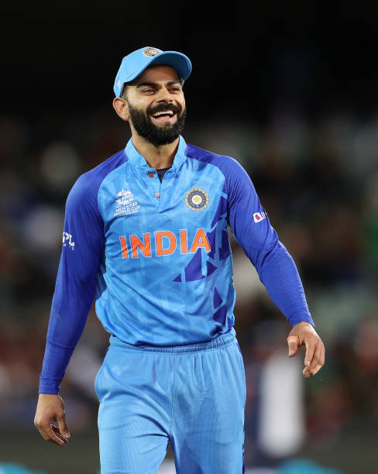
YEAR | MATCHES | RUNS | AVERAGE | STRIKE RATE | HIGH SCORE | 50s/100s
2008 | 13 | 165 | 15 | 105.09 | 38 | 0/0
2009 | 16 | 246 | 22.36 | 112.32 | 50 | 1/0
2010 | 16 | 307 | 27.9 | 144.81 | 58 | 1/0
2011 | 16 | 557 | 46.41 | 121.08 | 71 | 4/0
2012 | 16 | 364 | 28 | 111.65 | 73* | 2/0
2013 | 16 | 634 | 45.28 | 138.73 | 99 | 6/0
2014 | 14 | 359 | 27.61 | 122.1 | 73 | 2/0
2015 | 16 | 505 | 45.9 | 130.82 | 82* | 3/0
2016 | 16 | 973 | 81.08 | 152.03 | 113 | 7/4
2017 | 10 | 308 | 30.8 | 122.22 | 64 | 4/0
2018 | 14 | 530 | 48.18 | 139.1 | 92* | 4/0
2019 | 14 | 464 | 33.14 | 141.46 | 100 | 2/1
2020 | 15 | 466 | 42.36 | 121.35 | 90* | 3/0
2021 | 15 | 405 | 28.92 | 119.46 | 72* | 3/0
2022 | 16 | 341 | 22.73 | 115.99 | 73 | 2/0
2023 | 14 | 639 | 53.25 | 139.82 | 101* | 6/2
2024 | 15 | 741 | 61.75 | 154.69 | 113* | 5/1

